Equation Algorithm Mapping
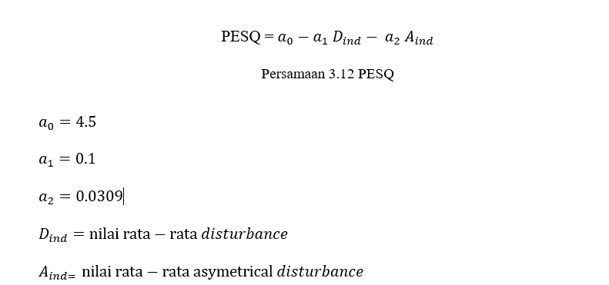
 | Chapter 3
Problem Statement/ Research Questions | Equation 1 | Equation 2 | Equation 3 | Equation 4 | Algorithm 1 | Algorithm 2 | Algorithm 3 | Algorithm 4

PERSAMAAN 1 :

PERSAMAAN 2 : | https://www.audiolabs-erlangen.de/resources/MIR/FMP/C2/C2S2_DigitalSignalQuantization.html
quantization

PERSAMAAN 3 : | https://github.com/KrishnanSG/Audio-Compression/blob/master/Compression.py
change wav to mp3

PERSAMAAN 4 :

PERSAMAAN 5 :

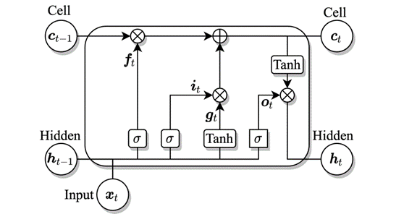
PERSAMAAN 6 :
RNN menggunakan lstm

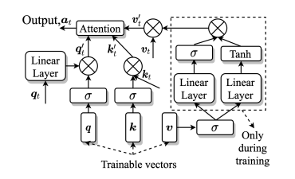
PERSAMAAN 7 :
Block self attention

PERSAMAAN 8 :
feed forward

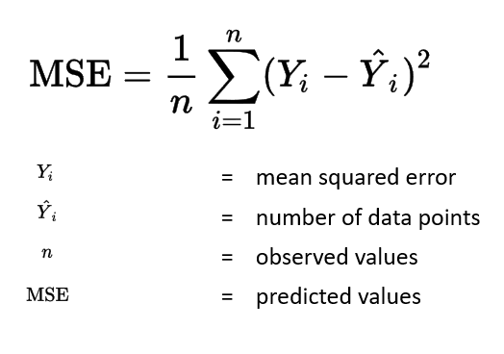
PERSAMAAN 9 :
loss function

PERSAMAAN 10 :

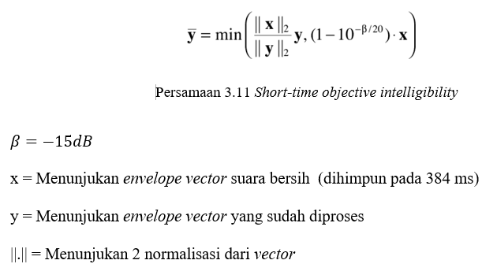
PERSAMAAN 11 :

PERSAMAAN 12 :

